Life Ext
 | Damage ratio = |  |  | 26
 |  |  |  |  |  |  |  |  |  | Total flight time (h)= | 1.70
S/N slope = K = | 6.25 | class # | n (g) | Kossira 6000 FH | |n - avg Kossira|^K | Kossira: occ * |n - avg|^K | JANUS 6000 FH | |n - avg JANUS|^K | JANUS: occ * |n - avg|^K
 |  |  |  | 6000 |  |  | 6000
avg n Kossira (g)= | 1.10 |  |  | FH |  |  | FH
avg n JANUS (g) = | 1.07 | 1 | -3.84375 | 0.0 | 21834.52802843 | 0.00 | 0.0 | 20988.74408562 | 0.00
 |  | 2 | -3.53125 | 0.0 | 14520.83715246 | 0.00 | 0.0 | 13921.09049055 | 0.00
 |  | 3 | -3.21875 | 0.0 | 9385.67077614 | 0.00 | 0.0 | 8970.51411678 | 0.00
 |  | 4 | -2.90625 | 0.0 | 5870.90987604 | 0.00 | 0.0 | 5591.38933572 | 0.00
 |  | 5 | -2.59375 | 0.0 | 3535.07946904 | 0.00 | 0.0 | 3352.85427818 | 0.00
 |  | 6 | -2.28125 | 6.2 | 2035.26009868 | 12597.62 | 0.0 | 1920.89125885 | 0.00
 |  | 7 | -1.96875 | 46.4 | 1110.67862153 | 51481.32 | 0.0 | 1042.08321970 | 0.00
 |  | 8 | -1.65625 | 281.9 | 567.94447933 | 160094.80 | 0.0 | 529.01216981 | 0.00
 |  | 9 | -1.34375 | 1165.0 | 267.89541020 | 312096.63 | 0.0 | 247.26333330 | 0.00
 |  | 10 | -1.03125 | 2988.8 | 114.01394111 | 340766.72 | 0.0 | 103.99606237 | 0.00
 |  | 11 | -0.71875 | 6098.6 | 42.37290081 | 258414.11 | 0.0 | 38.03941225 | 0.00
 |  | 12 | -0.40625 | 10800.3 | 13.06443217 | 141100.10 | 352.9 | 11.46643757 | 4046.98
 |  | 13 | -0.09375 | 21279.8 | 3.06231479 | 65165.51 | 7058.8 | 2.59649207 | 18328.18
 |  | 14 | 0.21875 | 133934.4 | 0.46142620 | 61800.84 | 35294.1 | 0.36866753 | 13011.80
 |  | 15 | 0.53125 | 1423065.8 | 0.03016180 | 42922.23 | 352941.2 | 0.02123916 | 7496.17
 |  | 16 | 0.84375 | 6624972.4 | 0.00021328 | 1412.95 | 5647058.8 | 0.00009558 | 539.74
 |  | 17 | 1.15625 | 6196570.8 | 0.00000001 | 0.07 | 6024705.9 | 0.00000020 | 1.23
 |  | 18 | 1.46875 | 4268809.2 | 0.00188240 | 8035.60 | 1852941.2 | 0.00313543 | 5809.76
 |  | 19 | 1.78125 | 728422.6 | 0.08887528 | 64738.76 | 264705.9 | 0.11765512 | 31144.00
 |  | 20 | 2.09375 | 149720.0 | 0.94744078 | 141850.82 | 42352.9 | 1.14965269 | 48691.17
 |  | 21 | 2.40625 | 49805.3 | 5.25138689 | 261546.75 | 17647.1 | 6.08679718 | 107414.07
 |  | 22 | 2.71875 | 24545.5 | 20.11073894 | 493627.72 | 5294.1 | 22.66026492 | 119966.11
 |  | 23 | 3.03125 | 15081.0 | 60.69932142 | 915403.54 | 529.4 | 67.09491690 | 35520.84
 |  | 24 | 3.34375 | 10346.1 | 155.14737696 | 1605175.46 | 0.0 | 169.13217557 | 0.00
 |  | 25 | 3.65625 | 7025.2 | 350.77035935 | 2464238.36 | 0.0 | 378.39556253 | 0.00
 |  | 26 | 3.96875 | 3133.2 | 721.69502378 | 2261235.39 | 0.0 | 772.15919982 | 0.00
 |  | 27 | 4.28125 | 449.9 | 1377.93673853 | 619944.26 | 0.0 | 1464.57258831 | 0.00
 |  | 28 | 4.59375 | 32.7 | 2475.97647357 | 81087.50 | 0.0 | 2617.38964309 | 0.00
 |  | 29 | 4.90625 | 0.0 | 4230.88160227 | 0.00 | 0.0 | 4452.24574008 | 0.00
 |  | 30 | 5.21875 | 0.0 | 6930.01114231 | 0.00 | 0.0 | 7264.52308522 | 0.00
 |  | 31 | 5.53125 | 0.0 | 10948.34314394 | 0.00 | 0.0 | 11438.84184967 | 0.00
 |  | 32 | 5.84375 | 0.0 | 16765.45946373 | 0.00 | 0.0 | 17466.21208361 | 0.00

Kossira
 | Kossira original flight only 6000FH |  | Kossira adjsuted to class 32 mid flight only 6000FH
1.02E+00 | -2.5393 | 0.1 | -3.84375
1.08E+01 | -2.2022 | 0.1 | -3.53125
1.42E+02 | -1.7903 | 0.1 | -3.21875
8.80E+02 | -1.4345 | 0.1 | -2.90625
2.80E+03 | -1.0599 | 0.1 | -2.59375
6.31E+03 | -0.7041 | 6.1896833512 | -2.28125
1.16E+04 | -0.367 | 46.351233673 | -1.96875
2.66E+04 | 0.0075 | 281.88459797 | -1.65625
4.66E+05 | 0.382 | 1164.9943084 | -1.34375
6.66E+06 | 0.7378 | 2988.8162328 | -1.03125
6.53E+06 | 1.1124 | 6098.5701774 | -0.71875
4.18E+06 | 1.4869 | 10800.323747 | -0.40625
5.06E+05 | 1.8427 | 21279.81939 | -0.09375
9.01E+04 | 2.1985 | 133934.39237 | 0.21875
3.26E+04 | 2.5543 | 1423065.7529 | 0.53125
1.71E+04 | 2.9288 | 6624972.4118 | 0.84375
1.11E+04 | 3.2846 | 6196570.7975 | 1.15625
6.84E+03 | 3.6779 | 4268809.1599 | 1.46875
2.38E+03 | 4.0712 | 728422.61065 | 1.78125
1.42E+02 | 4.427 | 149719.98756 | 2.09375
5.28E+00 | 4.8015 | 49805.270891 | 2.40625
 |  | 24545.479216 | 2.71875
 |  | 15080.951783 | 3.03125
 |  | 10346.133399 | 3.34375
 |  | 7025.2183347 | 3.65625
 |  | 3133.2284669 | 3.96875
 |  | 449.90763888 | 4.28125
 |  | 32.749706637 | 4.59375
 |  | 0.1 | 4.90625
 |  | 0.1 | 5.21875
 |  | 0.1 | 5.53125
 |  | 0.1 | 5.84375
 |  |  |  |  |  |  |  |  |  | ORIGINAL DATA
# class = | 32 | class # | g low | g high | g mid | Kossira adjsuted to class 32 mid flight only 6000FH | Kossira original flight only 6000FH
g min = | -4 |  |  |  |  |  |  |  |  |  |  | Curve data points have been captured using online graph reader : https://www.graphreader.com/v2. Parallax corrected picture for flight phases has been used.
g max = | 6 |  |  |  |  |  | G load | Occurrences
 |  | 1 | -4 | -3.6875 | -3.84375 | 0.10 | -2.5393 | 1.02E+00 | 25.37
class unit | 0.3125 | 2 | -3.6875 | -3.375 | -3.53125 | 0.10 | -2.2022 | 1.08E+01 | 626.96
 |  | 3 | -3.375 | -3.0625 | -3.21875 | 0.10 | -1.7903 | 1.42E+02 | 9689.40
 |  | 4 | -3.0625 | -2.75 | -2.90625 | 0.10 | -1.4345 | 8.80E+02 | 25154.32
 |  | 5 | -2.75 | -2.4375 | -2.59375 | 0.10 | -1.0599 | 2.80E+03 | 36566.38
 |  | 6 | -2.4375 | -2.125 | -2.28125 | 6.19 | -0.7041 | 6.31E+03 | 49937.61
 |  | 7 | -2.125 | -1.8125 | -1.96875 | 46.35 | -0.367 | 1.16E+04 | 83392.27
 |  | 8 | -1.8125 | -1.5 | -1.65625 | 281.88 | 0.0075 | 2.66E+04 | 198055.28
 |  | 9 | -1.5 | -1.1875 | -1.34375 | 1164.99 | 0.382 | 4.66E+05 | 932147.98
 |  | 10 | -1.1875 | -0.875 | -1.03125 | 2988.82 | 0.7378 | 6.66E+06 | 6211386.62
 |  | 11 | -0.875 | -0.5625 | -0.71875 | 6098.57 | 1.1124 | 6.53E+06 | 7263106.98
 |  | 12 | -0.5625 | -0.25 | -0.40625 | 10800.32 | 1.4869 | 4.18E+06 | 4916049.34
 |  | 13 | -0.25 | 0.0625 | -0.09375 | 21279.82 | 1.8427 | 5.06E+05 | 178167.75
 |  | 14 | 0.0625 | 0.375 | 0.21875 | 133934.39 | 2.1985 | 9.01E+04 | 199.87
 |  | 15 | 0.375 | 0.6875 | 0.53125 | 1423065.75 | 2.5543 | 3.26E+04 | -4254.98
 |  | 16 | 0.6875 | 1 | 0.84375 | 6624972.41 | 2.9288 | 1.71E+04 | -4439.99
 |  | 17 | 1 | 1.3125 | 1.15625 | 6196570.80 | 3.2846 | 1.11E+04 | -2967.35
 |  | 18 | 1.3125 | 1.625 | 1.46875 | 4268809.16 | 3.6779 | 6.84E+03 | -1262.66
 |  | 19 | 1.625 | 1.9375 | 1.78125 | 728422.61 | 4.0712 | 2.38E+03 | -253.55
 |  | 20 | 1.9375 | 2.25 | 2.09375 | 149719.99 | 4.427 | 1.42E+02 | -23.68
 |  | 21 | 2.25 | 2.5625 | 2.40625 | 49805.27 | 4.8015 | 5.28E+00 | -2.59
 |  | 22 | 2.5625 | 2.875 | 2.71875 | 24545.48
 |  | 23 | 2.875 | 3.1875 | 3.03125 | 15080.95
 |  | 24 | 3.1875 | 3.5 | 3.34375 | 10346.13
 |  | 25 | 3.5 | 3.8125 | 3.65625 | 7025.22 |  | Original picture from ICAS-82-2.8.2 fig 12 |  |  | Parallax corrected picture from ICAS-82-2.8.2 fig 12
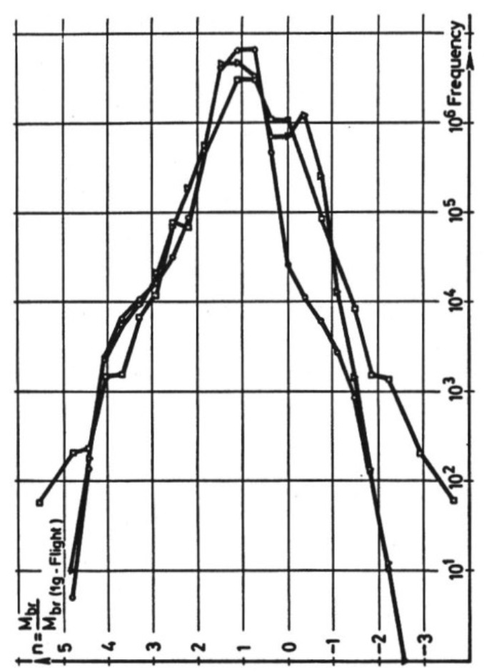
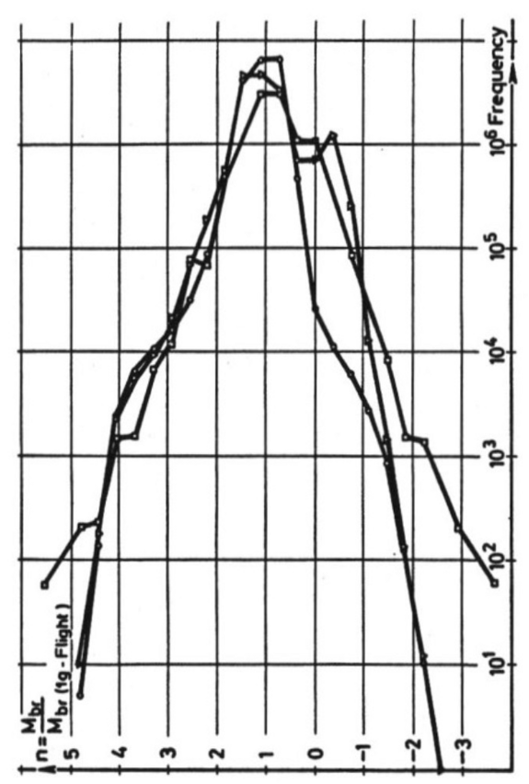
 |  | 26 | 3.8125 | 4.125 | 3.96875 | 3133.23
 |  | 27 | 4.125 | 4.4375 | 4.28125 | 449.91
 |  | 28 | 4.4375 | 4.75 | 4.59375 | 32.75
 |  | 29 | 4.75 | 5.0625 | 4.90625 | 0.10
 |  | 30 | 5.0625 | 5.375 | 5.21875 | 0.10
 |  | 31 | 5.375 | 5.6875 | 5.53125 | 0.10
 |  | 32 | 5.6875 | 6 | 5.84375 | 0.10

